Department layout
Line A |  | Line B |  | Line C |  | Line A
 |  |  |  |  |  | 794 | 814 | 811 | 794 | 793
 | A1 |  | B1 |  | C1 | 800 | 776 | 785 | 793 | 786
Context:
In a production dept, there is 3 CNC machine lines that produces brass fittings. Each machining line contains 3 separate machines arranged in a series such that each part passes through each machine sequentially before its finished.
Production of these lines are measured in pieces per 8 hours. Each machine within its line produces a different reject rate.
The tables here represent each line's 25 consecutive 8 hour shift's output pieces.
USE ANALYTICS O DESCRIBE:
1. The expected range of parts produced by entire department.
2. The amount of raw materials required to produce them.
(The raw materials required to produce X amount of parts will be definetly greater than X, due to the reject rates of the machines.)
 |  |  |  |  |  | 797 | 792 | 808 | 803 | 794
 |  |  |  |  |  | 797 | 807 | 783 | 819 | 800
 |  |  |  |  |  | 797 | 793 | 793 | 797 | 797

 | A2 |  | B2 |  | C2 | Line B
 |  |  |  |  |  | 547 | 546 | 553 | 555 | 553
 |  |  |  |  |  | 546 | 550 | 553 | 549 | 536
 |  |  |  |  |  | 544 | 554 | 548 | 548 | 554
 |  |  |  |  |  | 553 | 539 | 552 | 546 | 553
 | A3 |  | B3 |  | C3 | 551 | 543 | 543 | 553 | 552

 |  |  |  |  |  | Line C
 |  |  |  |  |  | 1026 | 998 | 1018 | 977 | 1000
 |  |  |  |  |  | 932 | 1012 | 991 | 1013 | 1004
 |  |  |  |  |  | 1037 | 1043 | 1029 | 991 | 1015
 |  |  |  |  |  | 985 | 970 | 976 | 1065 | 968
 |  |  |  |  |  | 1000 | 974 | 970 | 1018 | 1051

Department summary
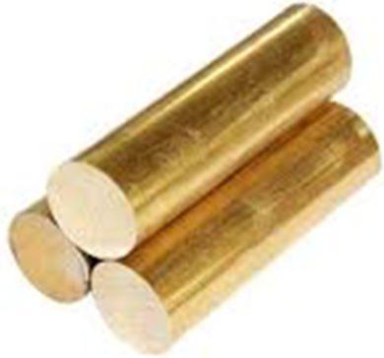
 |  |  |  |  |  |  |  |  | Raw materials required

Input to A1 | Line A |  | Input to B1 | Line B |  | Input to C1 | Line C |  | Mean
909.0 |  | A1 | 585.8 |  | B1 | 1116.2 |  | C1 | 2611
 |  | 7.30% |  |  | 4.40% |  |  | 6.10% | 89.94%

Input to A2 |  |  | Input to B2 |  |  | Input to C2
842.7 |  | A2 | 560.0 |  | B2 | 1048.1 |  | C2
 |  | 2.20% |  |  | 0.90% |  |  | 1.8%

Input to A3 |  |  | Input to B3 |  |  | Input to C3
824.1 |  | A3 | 554.9 |  | B3 | 1029.3 |  | C3
 |  | 3.30% |  |  | 1.10% |  |  | 2.60%

 |  |  |  |  |  |  |  |  | Normal distribution parameters for department output

 |  |  |  |  |  |  |  |  | Mean | Stdev
Mean | 796.9 |  | Mean | 548.8 |  | Mean | 1002.5 |  | 2348.3 | 32.33
Stdev | 9.71 |  | Stdev | 5.01 |  | Stdev | 30.43
Variance | 94.24 |  | Variance | 25.14 |  | Variance | 926.01 |  | 1045.39
Process Yield | 87.7% |  | Process Yield | 93.7% |  | Process Yield | 89.8%

